BOM
Item | Part Number | Thumbnail | BOM Structure | Unit QTY | QTY | Stock Number | Description | REV | LZ Drawings | Checked
1 | FLU-ShaftRS3 |  | Normal | Each | 1 |  |  |  | done | Y
2 | LzC-FrontPLateRS3 | 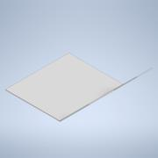 | Normal | Each | 1 |  |  |  | yes
3 | LzC-StoveCover | 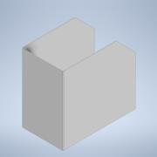 | Normal | Each | 1 |  |  |  | yes
4 | WI-ShaftRS3 | 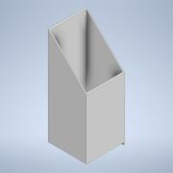 | Normal | Each | 1 |  |  |  | done | y
5 | BottomPlateRS3 | 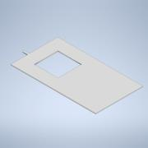 | Normal | Each | 1 |  |  |  | yes
6 | AI-RS3 | 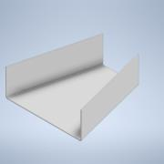 | Normal | Each | 1 |  |  |  | yes
7 | FootRS3 | 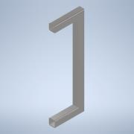 | Normal | Each | 1 |  |  |  | done | Y
8 | Flu-Expansion-RS3 |  | Normal | Each | 1 |  |  |  | yes
9 | Flu-ExpansionSidesRS3 | 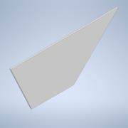 | Normal | Each | 2 |  |  |  | yes
10 | Grid RS3 | 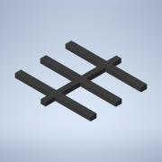 | Normal | Each | 1
11 | RS2_TubeFoot | 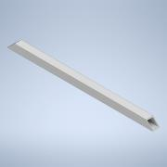 | Normal | Each | 2 |  |  |  | done | Y
12 | pin | 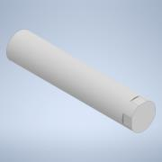 | Normal | Each | 1 |  |  |  | done | y
13 | WI-Cover | 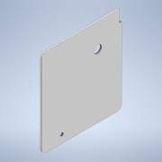 | Normal | Each | 1 |  |  |  | yes
14 | CapRS3 | 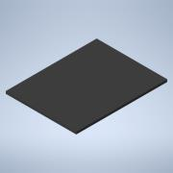 | Normal | Each | 1 |  |  |  | yes
15 | AI-Cover |  | Normal | Each | 1 |  |  |  | yes
16 | StoveTopAssembly.ipt |  | Normal | Each | 1 |  |  |  | yes
17 | GuiderailRS3 | 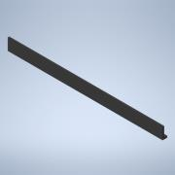 | Normal | Each | 1 |  |  |  | done | Y
18 | GuiderodsRS3 | 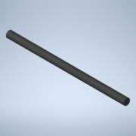 | Normal | Each | 2 |  |  |  | done | y
19 | AllenKey-RS3 | 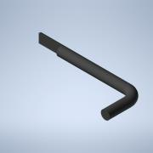 | Normal | Each | 1 |  |  |  | done | Y

